Fig. 3a
 | At Breathing Frequency
 | 0.16 %(w/v) Ca2+ ions |  |  |  |  |  |  |  |  | 0.30 %(w/v) Ca2+ ions
G* [Pa] | 37.091529591 | 79.332687012 | 46.709401326 | 59.822580695 | 66.833291779 | 54.313072248 | 55.456987087 | 35.416561918 | 47.383576924 | 538.24781428 | 236.77140036 | 513.15826243
G' [Pa] | 36.791 | 78.759 | 46.303 | 59.405 | 65.929 | 52.949 | 54.836 | 34.798 | 47.306 | 532.93 | 235.01 | 508.16
G'' [Pa] | 4.7121 | 9.5234 | 6.1482 | 7.056 | 10.957 | 12.096 | 8.2759 | 6.5903 | 2.7103 | 75.474 | 28.827 | 71.448

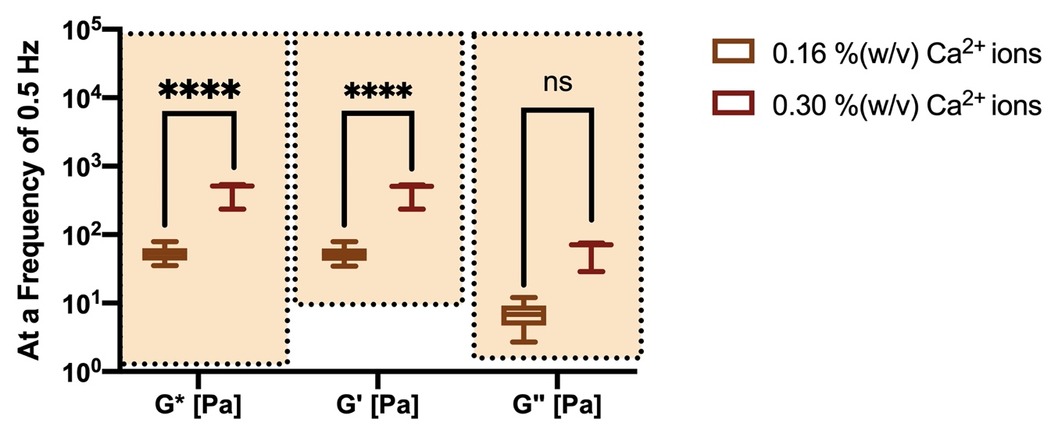
The shadowed region depicts the range of Viscoelastic properties reported in the literature from the sputum of different CF patients (Bhat et al., 1996; Nielsen et al., 2004; Sriramulu et al., 2005; Stigliani et al., 2016; Suk et al., 2009).

Fig. 3b
 | At Ciliary Beating Frequency
 | 0.16 %(w/v) Ca2+ ions |  |  |  |  |  |  |  |  | 0.30 %(w/v) Ca2+ ions
G* [Pa] | 51.396338907 | 104.64019796 | 64.496406512 | 82.919828955 | 93.129923065 | 75.867892583 | 73.292462839 | 45.951891474 | 56.468467521 | 779.80930705 | 201.70494121 | 684.03826307
G' [Pa] | 50.018 | 102.85 | 63.063 | 81.497 | 90.227 | 72.015 | 70.953 | 43.229 | 55.636 | 774.43 | 198.47 | 678.19
G'' [Pa] | 11.823 | 19.273 | 13.522 | 15.295 | 23.071 | 23.87 | 18.37 | 15.583 | 9.6604 | 91.43703 | 35.97975 | 89.2562

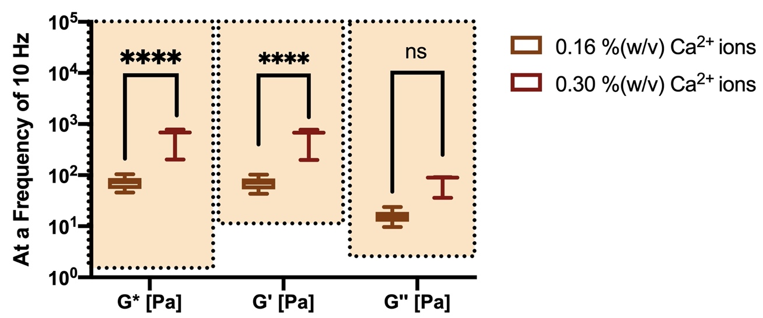
The shadowed region depicts the range of Viscoelastic properties reported in the literature from the sputum of different CF patients (Bhat et al., 1996; Nielsen et al., 2004; Sriramulu et al., 2005; Stigliani et al., 2016; Suk et al., 2009).

Fig. 3c
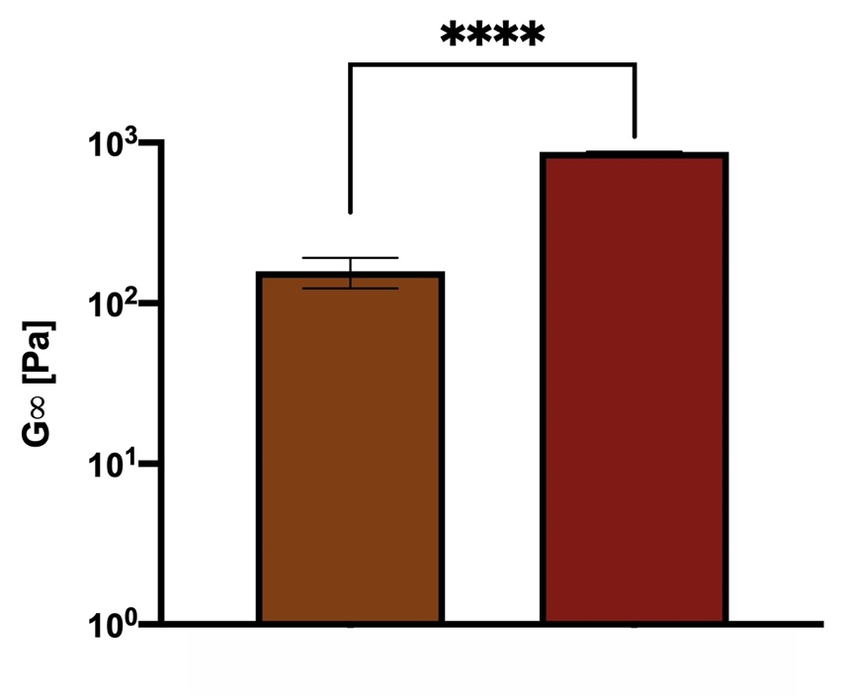
 | 0.16 %(w/v) Ca2+ ions |  |  |  |  |  |  | 0.30 %(w/v) Ca2+ ions
G∞ [Pa] | 130.63 | 205.78 | 138.19 | 107.6 | 177.59 | 161.89 | 183.13 | 869.24 | 881.25 | 875.245

Fig. 3d
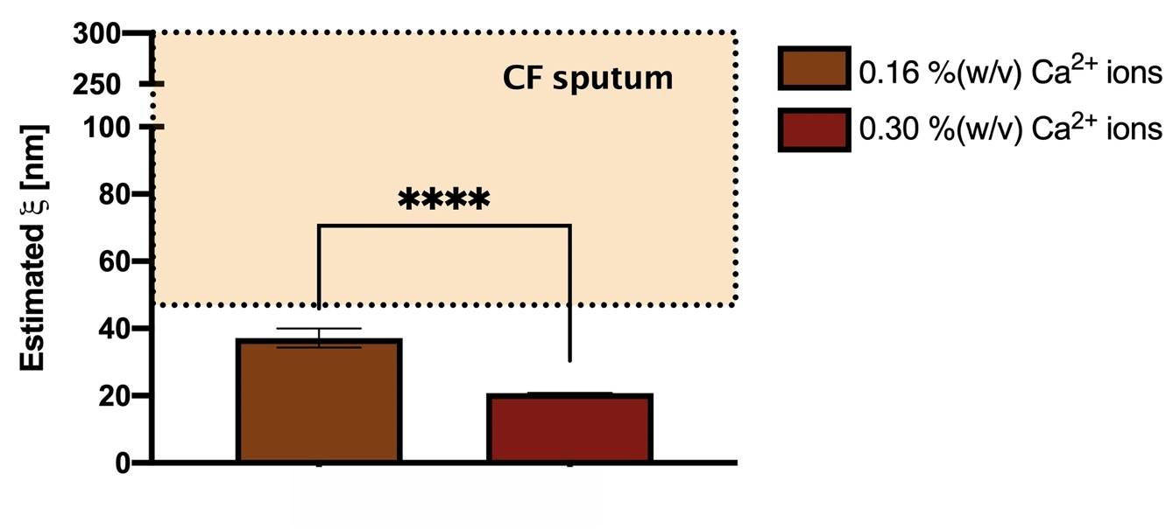
 | 0.16 %(w/v) Ca2+ ions |  |  |  |  |  |  | 0.30 %(w/v) Ca2+ ions
Estimated ξ [nm] | 39.18 | 33.67 | 38.45 | 41.8 | 35.37 | 36.48 | 35.01 | 20.83 | 20.74 | 20.785
The shadowed region depicts the depicts the range of mesh sizes reported in the literature for pathological CF sputum (Suk et al., 2009).

